Sheet2
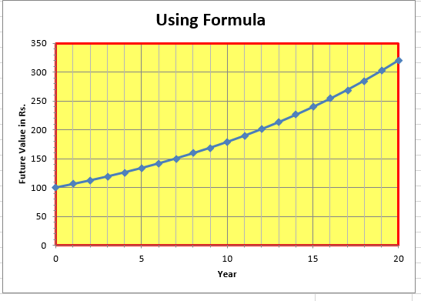

its not line chart, its scatter x y bubble plot

03FV B
Initial deposit | 100
Interest rate | 0% | 6% | 12%
1)You have to do it by typing apprpriate formula in cell B5 and then copying that formula horizontally and vertically. 2)Select the most appropriate type of chart to get the chart shown in sheet3.Include x-axis title, Y-axis, Chart-Title , etc. 3)If interest-rate is changing for every year, how will you compute FV at the end of each of the 20 years?
Year | FV at 0% | FV at 6% | FV at 12%
0 | 100.00 | 100.00 | 100.00
1 | 100.00 | 106.00 | 112.00
2 | 100.00 | 112.36 | 125.44
3 | 100.00 | 119.10 | 140.49
4 | 100.00 | 126.25 | 157.35
5 | 100.00 | 133.82 | 176.23
6 | 100.00 | 141.85 | 197.38
7 | 100.00 | 150.36 | 221.07
8 | 100.00 | 159.38 | 247.60
9 | 100.00 | 168.95 | 277.31
10 | 100.00 | 179.08 | 310.58
11 | 100.00 | 189.83 | 347.85
12 | 100.00 | 201.22 | 389.60
13 | 100.00 | 213.29 | 436.35
14 | 100.00 | 226.09 | 488.71
15 | 100.00 | 239.66 | 547.36
16 | 100.00 | 254.04 | 613.04
17 | 100.00 | 269.28 | 686.60
18 | 100.00 | 285.43 | 769.00
19 | 100.00 | 302.56 | 861.28
20 | 100.00 | 320.71 | 964.63

Sheet3
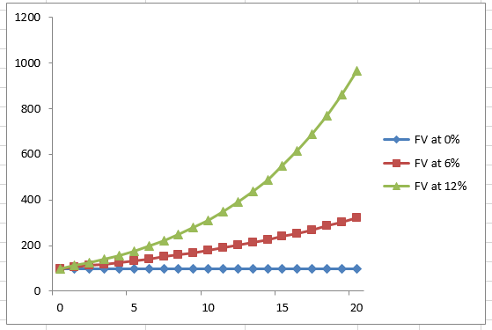

scatter plot, not line chart

